Sheet1
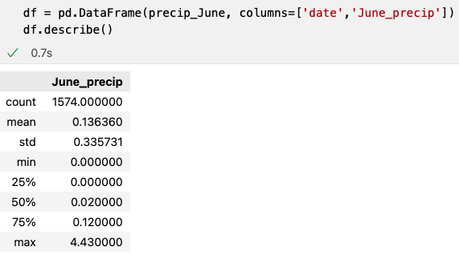
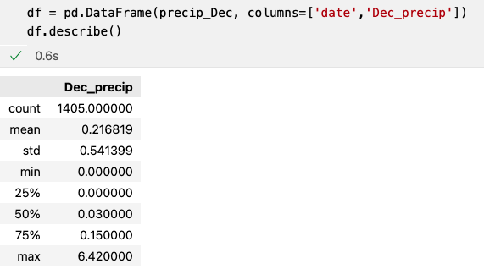
Month | Min T | Mean T | Max T | Month | Min prec | Mean prec | Max prec
June | 64 | 75 | 85 | June | 0 | 0.14 | 4.43
Dec | 56 | 71 | 83 | Dec | 0 | 0.22 | 6.42
Difference | 8 | 4 | 2 | Difference | 0 | 0.08 | 1.99
 |  |  |  | % |  | 57% | 45%

